HDV frt
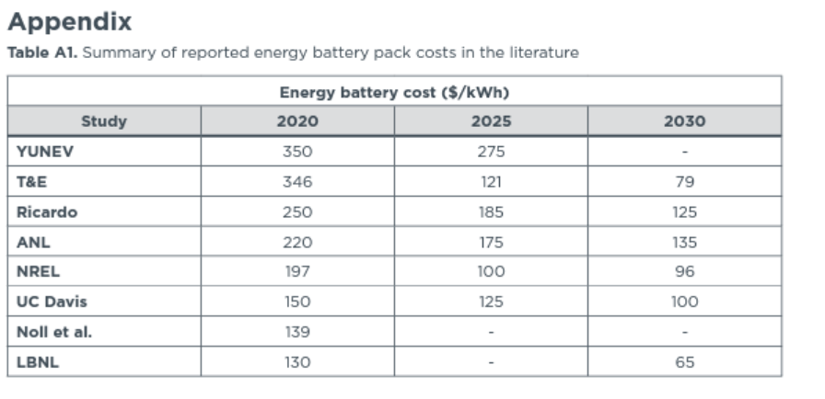
In 2012 $s
Day cab - HDV frt | 2020 | 2021 | 2022 | 2023 | 2024 | 2025 | 2026 | 2027 | 2028 | 2029 | 2030 | 2031 | 2032 | 2033 | 2034 | 2035 | 2036 | 2037 | 2038 | 2039 | 2040 | 2041 | 2042 | 2043 | 2044 | 2045 | 2046 | 2047 | 2048 | 2049 | 2050
battery electric vehicle | $170,105.71 | $158,150.04 | $150,378.65 | $144,793.31 | $140,415.60 | $137,175.32 | $134,428.49 | $132,025.80 | $129,960.24 | $128,158.31 | $126,568.10 | $125,159.52 | $123,925.63 | $122,858.84 | $121,931.10 | $121,120.15 | $120,395.27 | $119,759.77 | $119,197.34 | $118,692.60 | $118,234.33 | $117,825.86 | $117,458.39 | $117,126.04 | $116,824.04 | $116,548.30 | $116,296.03 | $116,063.71 | $115,848.86 | $115,649.50 | $115,463.92
natural gas vehicle | $99,455.83 | $99,455.83 | $99,455.83 | $99,455.83 | $99,455.83 | $108,042.18 | $116,628.54 | $127,204.86 | $137,781.18 | $148,357.50 | $158,933.82 | $158,933.82 | $158,933.82 | $158,933.82 | $158,933.82 | $158,933.82 | $158,933.82 | $158,933.82 | $158,933.82 | $158,933.82 | $158,933.82 | $158,933.82 | $158,933.82 | $158,933.82 | $158,933.82 | $158,933.82 | $158,933.82 | $158,933.82 | $158,933.82 | $158,933.82 | $158,933.82
gasoline vehicle | $999,999.00 | $999,999.00 | $999,999.00 | $999,999.00 | $999,999.00 | $999,999.00 | $999,999.00 | $999,999.00 | $999,999.00 | $999,999.00 | $999,999.00 | $999,999.00 | $999,999.00 | $999,999.00 | $999,999.00 | $999,999.00 | $999,999.00 | $999,999.00 | $999,999.00 | $999,999.00 | $999,999.00 | $999,999.00 | $999,999.00 | $999,999.00 | $999,999.00 | $999,999.00 | $999,999.00 | $999,999.00 | $999,999.00 | $999,999.00 | $999,999.00
diesel vehicle | $99,455.83 | $99,455.83 | $99,455.83 | $99,455.83 | $99,455.83 | $108,042.18 | $116,628.54 | $127,204.86 | $137,781.18 | $148,357.50 | $158,933.82 | $158,933.82 | $158,933.82 | $158,933.82 | $158,933.82 | $158,933.82 | $158,933.82 | $158,933.82 | $158,933.82 | $158,933.82 | $158,933.82 | $158,933.82 | $158,933.82 | $158,933.82 | $158,933.82 | $158,933.82 | $158,933.82 | $158,933.82 | $158,933.82 | $158,933.82 | $158,933.82
plugin hybrid vehicle | $999,999.00 | $999,999.00 | $999,999.00 | $999,999.00 | $999,999.00 | $999,999.00 | $999,999.00 | $999,999.00 | $999,999.00 | $999,999.00 | $999,999.00 | $999,999.00 | $999,999.00 | $999,999.00 | $999,999.00 | $999,999.00 | $999,999.00 | $999,999.00 | $999,999.00 | $999,999.00 | $999,999.00 | $999,999.00 | $999,999.00 | $999,999.00 | $999,999.00 | $999,999.00 | $999,999.00 | $999,999.00 | $999,999.00 | $999,999.00 | $999,999.00
LPG vehicle | $999,999.00 | $999,999.00 | $999,999.00 | $999,999.00 | $999,999.00 | $999,999.00 | $999,999.00 | $999,999.00 | $999,999.00 | $999,999.00 | $999,999.00 | $999,999.00 | $999,999.00 | $999,999.00 | $999,999.00 | $999,999.00 | $999,999.00 | $999,999.00 | $999,999.00 | $999,999.00 | $999,999.00 | $999,999.00 | $999,999.00 | $999,999.00 | $999,999.00 | $999,999.00 | $999,999.00 | $999,999.00 | $999,999.00 | $999,999.00 | $999,999.00
hydrogen vehicle | $218,707.35 | $196,320.00 | $182,770.68 | $173,316.36 | $166,070.97 | $160,638.01 | $156,095.14 | $152,176.90 | $148,816.42 | $145,888.86 | $143,306.60 | $141,084.00 | $138,937.19 | $136,991.76 | $135,213.53 | $133,575.43 | $132,041.61 | $130,614.12 | $129,273.62 | $128,002.21 | $126,786.79 | $125,630.06 | $124,521.76 | $123,454.98 | $122,424.05 | $121,424.17 | $120,451.95 | $119,503.36 | $118,575.48 | $117,665.99 | $116,772.85

Sleeper cab - motorbikes frt
battery electric vehicle | $233,859.45 | $209,948.10 | $194,405.32 | $183,234.65 | $174,479.22 | $167,998.65 | $162,504.99 | $157,699.62 | $153,568.50 | $149,964.63 | $146,784.21 | $143,967.06 | $141,499.28 | $139,365.70 | $137,510.21 | $135,888.32 | $134,438.56 | $133,167.56 | $132,042.69 | $131,033.22 | $130,116.69 | $129,299.75 | $128,564.80 | $127,900.10 | $127,296.10 | $126,744.63 | $126,240.08 | $125,775.45 | $125,345.75 | $124,947.03 | $124,575.86
natural gas vehicle | $123,257.22 | $123,257.22 | $123,257.22 | $123,257.22 | $123,257.22 | $131,843.58 | $140,429.93 | $151,006.25 | $161,582.57 | $172,158.89 | $182,735.21 | $182,735.21 | $182,735.21 | $182,735.21 | $182,735.21 | $182,735.21 | $182,735.21 | $182,735.21 | $182,735.21 | $182,735.21 | $182,735.21 | $182,735.21 | $182,735.21 | $182,735.21 | $182,735.21 | $182,735.21 | $182,735.21 | $182,735.21 | $182,735.21 | $182,735.21 | $182,735.21
gasoline vehicle | $999,999.00 | $999,999.00 | $999,999.00 | $999,999.00 | $999,999.00 | $999,999.00 | $999,999.00 | $999,999.00 | $999,999.00 | $999,999.00 | $999,999.00 | $999,999.00 | $999,999.00 | $999,999.00 | $999,999.00 | $999,999.00 | $999,999.00 | $999,999.00 | $999,999.00 | $999,999.00 | $999,999.00 | $999,999.00 | $999,999.00 | $999,999.00 | $999,999.00 | $999,999.00 | $999,999.00 | $999,999.00 | $999,999.00 | $999,999.00 | $999,999.00
diesel vehicle | $123,257.22 | $123,257.22 | $123,257.22 | $123,257.22 | $123,257.22 | $131,843.58 | $140,429.93 | $151,006.25 | $161,582.57 | $172,158.89 | $182,735.21 | $182,735.21 | $182,735.21 | $182,735.21 | $182,735.21 | $182,735.21 | $182,735.21 | $182,735.21 | $182,735.21 | $182,735.21 | $182,735.21 | $182,735.21 | $182,735.21 | $182,735.21 | $182,735.21 | $182,735.21 | $182,735.21 | $182,735.21 | $182,735.21 | $182,735.21 | $182,735.21
plugin hybrid vehicle | $999,999.00 | $999,999.00 | $999,999.00 | $999,999.00 | $999,999.00 | $999,999.00 | $999,999.00 | $999,999.00 | $999,999.00 | $999,999.00 | $999,999.00 | $999,999.00 | $999,999.00 | $999,999.00 | $999,999.00 | $999,999.00 | $999,999.00 | $999,999.00 | $999,999.00 | $999,999.00 | $999,999.00 | $999,999.00 | $999,999.00 | $999,999.00 | $999,999.00 | $999,999.00 | $999,999.00 | $999,999.00 | $999,999.00 | $999,999.00 | $999,999.00
LPG vehicle | $999,999.00 | $999,999.00 | $999,999.00 | $999,999.00 | $999,999.00 | $999,999.00 | $999,999.00 | $999,999.00 | $999,999.00 | $999,999.00 | $999,999.00 | $999,999.00 | $999,999.00 | $999,999.00 | $999,999.00 | $999,999.00 | $999,999.00 | $999,999.00 | $999,999.00 | $999,999.00 | $999,999.00 | $999,999.00 | $999,999.00 | $999,999.00 | $999,999.00 | $999,999.00 | $999,999.00 | $999,999.00 | $999,999.00 | $999,999.00 | $999,999.00
hydrogen vehicle | $300,676.44 | $260,619.68 | $236,280.83 | $219,330.31 | $206,358.36 | $196,733.42 | $188,696.90 | $181,769.32 | $175,850.05 | $170,712.07 | $166,196.28 | $162,284.50 | $158,639.61 | $155,397.47 | $152,489.74 | $149,862.27 | $147,443.37 | $145,237.12 | $143,204.86 | $141,310.76 | $139,528.66 | $137,863.92 | $136,296.06 | $134,811.22 | $133,398.09 | $132,047.06 | $130,751.36 | $129,502.91 | $128,295.88 | $127,125.63 | $125,988.08
2021$s
Day cab - HDV frt
battery electric vehicle | 2020 | 2021 | 2022 | 2023 | 2024 | 2025 | 2026 | 2027 | 2028 | 2029 | 2030 | 2031 | 2032 | 2033 | 2034 | 2035 | 2036 | 2037 | 2038 | 2039 | 2040 | 2041 | 2042 | 2043 | 2044 | 2045 | 2046 | 2047 | 2048 | 2049 | 2050
natural gas vehicle | $200,113 | $186,047.97 | $176,905.69 | $170,335.09 | $165,185.14 | $161,373.27 | $158,141.89 | $155,315.37 | $152,885.44 | $150,765.64 | $148,894.92 | $147,237.87 | $145,786.32 | $144,531.34 | $143,439.94 | $142,485.94 | $141,633.19 | $140,885.59 | $140,223.94 | $139,630.17 | $139,091.07 | $138,610.54 | $138,178.24 | $137,787.27 | $137,431.99 | $137,107.62 | $136,810.84 | $136,537.54 | $136,284.79 | $136,050.27 | $135,831.94
gasoline vehicle | 117000 | 117000 | 117000 | 117000 | 117000 | 127101 | 137202 | 149644 | 162086 | 174528 | 186970 | 186970 | 186970 | 186970 | 186970 | 186970 | 186970 | 186970 | 186970 | 186970 | 186970 | 186970 | 186970 | 186970 | 186970 | 186970 | 186970 | 186970 | 186970 | 186970 | 186970
diesel vehicle
plugin hybrid vehicle | 117000 | 117000 | 117000 | 117000 | 117000 | 127101 | 137202 | 149644 | 162086 | 174528 | 186970 | 186970 | 186970 | 186970 | 186970 | 186970 | 186970 | 186970 | 186970 | 186970 | 186970 | 186970 | 186970 | 186970 | 186970 | 186970 | 186970 | 186970 | 186970 | 186970 | 186970
LPG vehicle
hydrogen vehicle
 | $257,287.68 | $230,951.17 | $215,011.72 | $203,889.65 | $195,366.16 | $188,974.82 | $183,630.57 | $179,021.15 | $175,067.88 | $171,623.89 | $168,586.12 | $165,971.45 | $163,445.94 | $161,157.33 | $159,065.42 | $157,138.35 | $155,333.97 | $153,654.67 | $152,077.70 | $150,582.01 | $149,152.19 | $147,791.40 | $146,487.60 | $145,232.64 | $144,019.85 | $142,843.59 | $141,699.87 | $140,583.95 | $139,492.39 | $138,422.46 | $137,371.77
Sleeper cab - motorbikes frt
battery electric vehicle
natural gas vehicle | $275,113 | $246,983.29 | $228,698.74 | $215,557.54 | $205,257.64 | $197,633.89 | $191,171.14 | $185,518.09 | $180,658.24 | $176,418.64 | $172,677.19 | $169,363.09 | $166,459.99 | $163,950.04 | $161,767.24 | $159,859.24 | $158,153.74 | $156,658.54 | $155,335.24 | $154,147.69 | $153,069.49 | $152,108.44 | $151,243.84 | $150,461.89 | $149,751.34 | $149,102.59 | $148,509.04 | $147,962.44 | $147,456.94 | $146,987.89 | $146,551.24
gasoline vehicle | $145,000 | $145,000 | $145,000 | $145,000 | $145,000 | $155,101 | $165,202 | $177,644 | $190,086 | $202,528 | $214,970 | $214,970 | $214,970 | $214,970 | $214,970 | $214,970 | $214,970 | $214,970 | $214,970 | $214,970 | $214,970 | $214,970 | $214,970 | $214,970 | $214,970 | $214,970 | $214,970 | $214,970 | $214,970 | $214,970 | $214,970
diesel vehicle
plugin hybrid vehicle | 145,000 | 145,000 | 145,000 | 145,000 | 145,000 | 155,101 | 165,202 | 177,644 | 190,086 | 202,528 | 214,970 | 214,970 | 214,970 | 214,970 | 214,970 | 214,970 | 214,970 | 214,970 | 214,970 | 214,970 | 214,970 | 214,970 | 214,970 | 214,970 | 214,970 | 214,970 | 214,970 | 214,970 | 214,970 | 214,970 | 214,970
LPG vehicle
hydrogen vehicle
 | $353,716.25 | $306,593.41 | $277,961.16 | $258,020.53 | $242,760.32 | $231,437.52 | $221,983.35 | $213,833.72 | $206,870.29 | $200,825.95 | $195,513.57 | $190,911.75 | $186,623.89 | $182,809.83 | $179,389.18 | $176,298.22 | $173,452.62 | $170,857.19 | $168,466.43 | $166,238.21 | $164,141.74 | $162,183.34 | $160,338.91 | $158,592.14 | $156,929.73 | $155,340.38 | $153,816.12 | $152,347.43 | $150,927.49 | $149,550.79 | $148,212.59
Electric vehicles
Start year cost
Sleeper / long haul | Start year cost
Day cab | $284,599
 | $209,599
2020 calcs
 |  |  |  |  |  | Figure 3
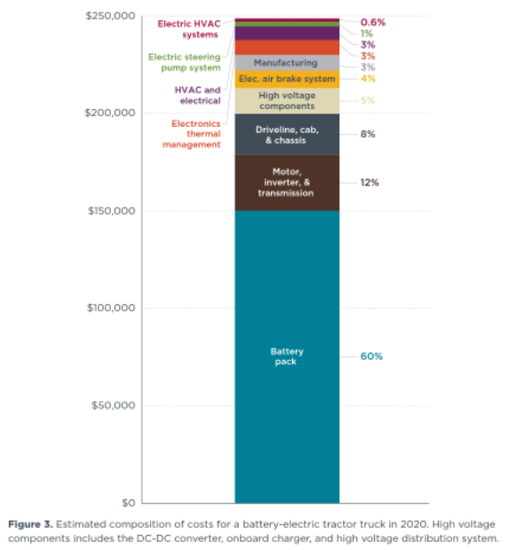
Sleeper / long haul | HDV purchase cost before mark up | $248,000
Day cab | Battery cost (600 kWh) |  | $150,000
 | Battery cost (300 kWh) |  | $75,000
 | Vehicle (balance after battery) |  | $98,000
 | Markup | $36,599
Totals
Sleeper / long haul
Day cab | Total cost with markup (600 KWh) | $284,599
 | Total cost with markup (300 KWh) | $209,599

 | Figure 3 | Figure 5 | Total reduction
electric brake systems | % of total | % reduction in 2030
Motor+ | 0.04 | 0.08 | 0.3%
 | 0.12 | 0.78 | 9.4%
 |  |  | 9.7% | sum
 |  |  | 9486.4 | In initial/2020 cost
Assume same absolute markup as 36% on Diesel
Diesel day cab % markup |  | $36,599
 |  | 0.36
2030 calcs
Adjusted vehicle (for innovation and lower non-battery costs)
 |  |  | $88,513.60
Start year totals after accounting for non-battery cost reductions
Sleeper / long haul
Day cab | Total cost with markup (600 KWh) |  | $275,112.6
 | Total cost with markup (300 KWh) |  | $200,112.6

Sleeper diesel | 2020 | assume higher prices from strong demand price in-emission control costs until 2025. |  |  |  | 2025 | 2026 | 2027 | 2028 | 2029 | 2030
Day cab diesel | 145,000 | 145,000 | 145,000 | 145,000 | 145,000 | $155,101.00 | $165,202.00 | $177,644.00 | $190,086.00 | $202,528.00 | $214,970.00
 | 117000 | 117,000 | 117,000 | 117,000 | 117,000 | $127,101.00 | $137,202.00 | $149,644.00 | $162,086.00 | $174,528.00 | $186,970.00
Sleeper cab - battery cost
Day cab - battery cost | $150,000
Sleeper cab - future battery savings | $75,000
Day cab - - future battery savings |  | $28,129.35 | $46,413.90 | $59,555.10 | $69,855.00 | $77,478.75 | $83,941.50 | $89,594.55 | $94,454.40 | $98,694.00 | $102,435.45 | $105,749.55 | $108,652.65 | $111,162.60 | $113,345.40 | $115,253.40 | $116,958.90 | $118,454.10 | $119,777.40 | $120,964.95 | $122,043.15 | $123,004.20 | $123,868.80 | $124,650.75 | $125,361.30 | $126,010.05 | $126,603.60 | $127,150.20 | $127,655.70 | $128,124.75 | $128,561.40
 |  | $14,064.67 | $23,206.95 | $29,777.55 | $34,927.50 | $38,739.38 | $41,970.75 | $44,797.27 | $47,227.20 | $49,347.00 | $51,217.73 | $52,874.78 | $54,326.33 | $55,581.30 | $56,672.70 | $57,626.70 | $58,479.45 | $59,227.05 | $59,888.70 | $60,482.48 | $61,021.58 | $61,502.10 | $61,934.40 | $62,325.38 | $62,680.65 | $63,005.03 | $63,301.80 | $63,575.10 | $63,827.85 | $64,062.38 | $64,280.70
Californie EPS output (25 April 2022)
Time (Time)
This Year Battery Cost as Fraction of First Year Battery Cost : MostRecentRun | 2020 | 2021 | 2022 | 2023 | 2024 | 2025 | 2026 | 2027 | 2028 | 2029 | 2030 | 2031 | 2032 | 2033 | 2034 | 2035 | 2036 | 2037 | 2038 | 2039 | 2040 | 2041 | 2042 | 2043 | 2044 | 2045 | 2046 | 2047 | 2048 | 2049 | 2050
 | 1 | 0.812471 | 0.690574 | 0.602966 | 0.5343 | 0.483475 | 0.44039 | 0.402703 | 0.370304 | 0.34204 | 0.317097 | 0.295003 | 0.275649 | 0.258916 | 0.244364 | 0.231644 | 0.220274 | 0.210306 | 0.201484 | 0.193567 | 0.186379 | 0.179972 | 0.174208 | 0.168995 | 0.164258 | 0.159933 | 0.155976 | 0.152332 | 0.148962 | 0.145835 | 0.142924
ICCT, Figure 5
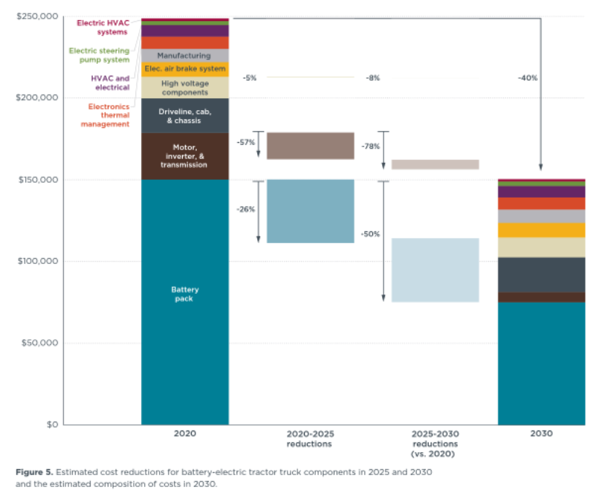
 |  |  | Ricardo, page 10



https://theicct.org/wp-content/uploads/2022/02/purchase-cost-ze-trucks-feb22-1.pdf

LDV frt
2012$s
 | 2020 | 2021 | 2022 | 2023 | 2024 | 2025 | 2026 | 2027 | 2028 | 2029 | 2030 | 2031 | 2032 | 2033 | 2034 | 2035 | 2036 | 2037 | 2038 | 2039 | 2040 | 2041 | 2042 | 2043 | 2044 | 2045 | 2046 | 2047 | 2048 | 2049 | 2050
battery electric vehicle | $57,533.45 | $54,944.04 | $53,260.89 | $52,051.19 | $51,103.05 | $50,401.26 | $49,806.34 | $49,285.96 | $48,838.59 | $48,448.32 | $48,103.91 | $47,798.83 | $47,531.59 | $47,300.54 | $47,099.61 | $46,923.97 | $46,766.97 | $46,629.33 | $46,507.52 | $46,398.20 | $46,298.95 | $46,210.48 | $46,130.89 | $46,058.91 | $45,993.50 | $45,933.78 | $45,879.14 | $45,828.83 | $45,782.29 | $45,739.12 | $45,698.92
natural gas vehicle | $52,508.22 | $53,065.11 | $53,622.00 | $54,178.89 | $55,198.93 | $56,218.96 | $57,239.00 | $58,259.03 | $59,665.40 | $61,071.77 | $62,478.13 | $62,478.13 | $62,478.13 | $62,478.13 | $62,478.13 | $62,478.13 | $62,478.13 | $62,478.13 | $62,478.13 | $62,478.13 | $62,478.13 | $62,478.13 | $62,478.13 | $62,478.13 | $62,478.13 | $62,478.13 | $62,478.13 | $62,478.13 | $62,478.13 | $62,478.13 | $62,478.13
gasoline vehicle | $47,031.58 | $47,588.48 | $48,145.37 | $48,702.26 | $49,722.29 | $50,742.33 | $51,762.36 | $52,782.40 | $54,188.77 | $55,595.13 | $57,001.50 | $57,001.50 | $57,001.50 | $57,001.50 | $57,001.50 | $57,001.50 | $57,001.50 | $57,001.50 | $57,001.50 | $57,001.50 | $57,001.50 | $57,001.50 | $57,001.50 | $57,001.50 | $57,001.50 | $57,001.50 | $57,001.50 | $57,001.50 | $57,001.50 | $57,001.50 | $57,001.50
diesel vehicle | $52,508.22 | $53,065.11 | $53,622.00 | $54,178.89 | $55,198.93 | $56,218.96 | $57,239.00 | $58,259.03 | $59,665.40 | $61,071.77 | $62,478.13 | $62,478.13 | $62,478.13 | $62,478.13 | $62,478.13 | $62,478.13 | $62,478.13 | $62,478.13 | $62,478.13 | $62,478.13 | $62,478.13 | $62,478.13 | $62,478.13 | $62,478.13 | $62,478.13 | $62,478.13 | $62,478.13 | $62,478.13 | $62,478.13 | $62,478.13 | $62,478.13
plugin hybrid vehicle | $999,999.00 | $999,999.00 | $999,999.00 | $999,999.00 | $999,999.00 | $999,999.00 | $999,999.00 | $999,999.00 | $999,999.00 | $999,999.00 | $999,999.00 | $999,999.00 | $999,999.00 | $999,999.00 | $999,999.00 | $999,999.00 | $999,999.00 | $999,999.00 | $999,999.00 | $999,999.00 | $999,999.00 | $999,999.00 | $999,999.00 | $999,999.00 | $999,999.00 | $999,999.00 | $999,999.00 | $999,999.00 | $999,999.00 | $999,999.00 | $999,999.00
LPG vehicle | $999,999.00 | $999,999.00 | $999,999.00 | $999,999.00 | $999,999.00 | $999,999.00 | $999,999.00 | $999,999.00 | $999,999.00 | $999,999.00 | $999,999.00 | $999,999.00 | $999,999.00 | $999,999.00 | $999,999.00 | $999,999.00 | $999,999.00 | $999,999.00 | $999,999.00 | $999,999.00 | $999,999.00 | $999,999.00 | $999,999.00 | $999,999.00 | $999,999.00 | $999,999.00 | $999,999.00 | $999,999.00 | $999,999.00 | $999,999.00 | $999,999.00
hydrogen vehicle | $73,971.58 | $68,204.95 | $64,733.45 | $62,304.83 | $60,440.10 | $59,021.97 | $57,833.93 | $56,808.47 | $55,924.67 | $55,151.09 | $54,465.60 | $53,880.44 | $53,289.26 | $52,741.70 | $52,230.35 | $51,749.35 | $51,290.94 | $50,855.55 | $50,439.01 | $50,037.43 | $49,647.97 | $49,271.23 | $48,904.98 | $48,547.71 | $48,198.22 | $47,855.45 | $47,518.67 | $47,187.00 | $46,859.83 | $46,536.63 | $46,216.98

CPI adjustment | 0.85004982101 | 2021 to 2012
2021$s
 | 2020 | 2021 | 2022 | 2023 | 2024 | 2025 | 2026 | 2027 | 2028 | 2029 | 2030 | 2031 | 2032 | 2033 | 2034 | 2035 | 2036 | 2037 | 2038 | 2039 | 2040 | 2041 | 2042 | 2043 | 2044 | 2045 | 2046 | 2047 | 2048 | 2049 | 2050
battery electric vehicle | $67,682.44 | $64,636.26 | $62,656.19 | $61,233.11 | $60,117.71 | $59,292.12 | $58,592.26 | $57,980.08 | $57,453.80 | $56,994.68 | $56,589.51 | $56,230.62 | $55,916.24 | $55,644.43 | $55,408.05 | $55,201.43 | $55,016.74 | $54,854.82 | $54,711.52 | $54,582.92 | $54,466.16 | $54,362.08 | $54,268.46 | $54,183.78 | $54,106.83 | $54,036.58 | $53,972.30 | $53,913.11 | $53,858.36 | $53,807.57 | $53,760.28
natural gas vehicle | 61770.751345 | 62425.879815 | 63081.008284 | 63736.136754 | 64936.107828 | 66136.078901 | 67336.049975 | 68536.021049 | 70190.472847 | 71844.924645 | 73499.376443 | 73499.376443 | 73499.376443 | 73499.376443 | 73499.376443 | 73499.376443 | 73499.376443 | 73499.376443 | 73499.376443 | 73499.376443 | 73499.376443 | 73499.376443 | 73499.376443 | 73499.376443 | 73499.376443 | 73499.376443 | 73499.376443 | 73499.376443 | 73499.376443 | 73499.376443 | 73499.376443
gasoline vehicle | $55,328.03 | $55,983.16 | $56,638.29 | $57,293.42 | $58,493.39 | $59,693.36 | $60,893.33 | $62,093.30 | $63,747.75 | $65,402.21 | $67,056.66 | $67,056.66 | $67,056.66 | $67,056.66 | $67,056.66 | $67,056.66 | $67,056.66 | $67,056.66 | $67,056.66 | $67,056.66 | $67,056.66 | $67,056.66 | $67,056.66 | $67,056.66 | $67,056.66 | $67,056.66 | $67,056.66 | $67,056.66 | $67,056.66 | $67,056.66 | $67,056.66
diesel vehicle | $61,770.75 | $62,425.88 | $63,081.01 | $63,736.14 | $64,936.11 | $66,136.08 | $67,336.05 | $68,536.02 | $70,190.47 | $71,844.92 | $73,499.38 | $73,499.38 | $73,499.38 | $73,499.38 | $73,499.38 | $73,499.38 | $73,499.38 | $73,499.38 | $73,499.38 | $73,499.38 | $73,499.38 | $73,499.38 | $73,499.38 | $73,499.38 | $73,499.38 | $73,499.38 | $73,499.38 | $73,499.38 | $73,499.38 | $73,499.38 | $73,499.38
plugin hybrid vehicle | 999,999 | 999,999 | 999,999 | 999,999 | 999,999 | 999,999 | 999,999 | 999,999 | 999,999 | 999,999 | 999,999 | 999,999 | 999,999 | 999,999 | 999,999 | 999,999 | 999,999 | 999,999 | 999,999 | 999,999 | 999,999 | 999,999 | 999,999 | 999,999 | 999,999 | 999,999 | 999,999 | 999,999 | 999,999 | 999,999 | 999,999
LPG vehicle | 999,999 | 999,999 | 999,999 | 999,999 | 999,999 | 999,999 | 999,999 | 999,999 | 999,999 | 999,999 | 999,999 | 999,999 | 999,999 | 999,999 | 999,999 | 999,999 | 999,999 | 999,999 | 999,999 | 999,999 | 999,999 | 999,999 | 999,999 | 999,999 | 999,999 | 999,999 | 999,999 | 999,999 | 999,999 | 999,999 | 999,999
hydrogen vehicle | $87,020.29 | $80,236.41 | $76,152.53 | $73,295.51 | $71,101.84 | $69,433.55 | $68,035.93 | $66,829.58 | $65,789.88 | $64,879.83 | $64,073.42 | $63,385.04 | $62,689.58 | $62,045.42 | $61,443.87 | $60,878.02 | $60,338.74 | $59,826.56 | $59,336.53 | $58,864.11 | $58,405.96 | $57,962.76 | $57,531.90 | $57,111.61 | $56,700.46 | $56,297.23 | $55,901.04 | $55,510.87 | $55,125.98 | $54,745.77 | $54,369.73

 | 2020 | 2021 | 2022 | 2023 | 2024 | 2025 | 2026 | 2027 | 2028 | 2029 | 2030 | 2031 | 2032 | 2033 | 2034 | 2035 | 2036 | 2037 | 2038 | 2039 | 2040 | 2041 | 2042 | 2043 | 2044 | 2045 | 2046 | 2047 | 2048 | 2049 | 2050
BEV | $67,682.44 | $64,636.26 | $62,656.19 | $61,233.11 | $60,117.71 | $59,292.12 | $58,592.26 | $57,980.08 | $57,453.80 | $56,994.68 | $56,590 | $56,231 | $55,916 | $55,644 | $55,408 | $55,201 | $55,017 | $54,855 | $54,712 | $54,583 | $54,466 | $54,362 | $54,268 | $54,184 | $54,107 | $54,037 | $53,972 | $53,913 | $53,858 | $53,808 | $53,760
Diesel | $61,770.75 | $62,425.88 | $63,081.01 | $63,736.14 | $64,936.11 | $66,136.08 | $67,336.05 | $68,536.02 | $70,190.47 | $71,844.92 | $73,499 | $73,499 | $73,499 | $73,499 | $73,499 | $73,499 | $73,499 | $73,499 | $73,499 | $73,499 | $73,499 | $73,499 | $73,499 | $73,499 | $73,499 | $73,499 | $73,499 | $73,499 | $73,499 | $73,499 | $73,499
Gasoline | $55,328.03 | $55,983.16 | $56,638.29 | $57,293.42 | $58,493.39 | $59,693.36 | $60,893.33 | $62,093.30 | $63,747.75 | $65,402.21 | $67,057 | $67,057 | $67,057 | $67,057 | $67,057 | $67,057 | $67,057 | $67,057 | $67,057 | $67,057 | $67,057 | $67,057 | $67,057 | $67,057 | $67,057 | $67,057 | $67,057 | $67,057 | $67,057 | $67,057 | $67,057

Vehicle Group | Vehicle Price | Share
Class 2b-3 gasoline | $49,700.00
Class 2b-3 diesel | $58,000.00
Class 2b-3 generic | $53,850.00 | 78% | $45,021.41 | $38,578.69 | $62,250
Class 4-5 | 55000 | 10% | $5,237.70 | $5,237.70 | $63,579
Class 6-7 | 85000 | 11% | $9,502.75 | $9,502.75 | $98,259
Class 8 | 120000 | 2% | $2,008.88 | $2,008.88 | $138,719
 |  | weighted average diesel | $61,770.75
 |  |  | weighted average gasoline | $55,328.03
 |  |  |  | weighted average EV price | $67,682.44
https://theicct.org/publication/cost-ev-vans-pickups-us-2040-jan22/
COST OF ELECTRIC COMMERCIAL VANS AND PICKUP TRUCKS IN THE UNITED STATES THROUGH 2040

Current BEV prices for vans range from $47,000–$68,000 across 100–400-mile ranges, and $54,000–$80,000 for pickup trucks.
In comparison, the current cost of a gasoline and diesel van, including tax, is $45,000 and $56,000, respectively, and the cost of a gasoline and diesel pickup truck is $49,000–$60,000, respectively

 |  | battery | battery share of total cost | Ratio BEV/Diesel
BEV van-pickup | $62,250.00 | $14,674.00 | 24%
Diesel | $58,000.00 |  |  | 1.0732758621
Gasoline | $49,700.00
Generic petroleum | $53,850.00

 | low - 100 mile | high - 400 mile | Mean value
BEV van | $47,000.00 | $68,000.00 | $57,500.00
BEV pickup | $54,000.00 | $80,000.00 | $67,000.00
Battery cost per vehicle
BEV van | $5,740.00 | $21,016.00 | $13,378.00
BEV pickup | $6,880.00 | $25,060.00 | $15,970.00
battery size
BEV van | 35 | 148
BEV pickup | 43 | 179
battery unit cost (per kWh)
BEV van | 164 | 142
BEV pickup | 160 | 140
 | BEV | Diesel | Gasoline
Van | $57,500.00 | $56,000.00 | $50,400.00
Pickup | $67,000.00 | $60,000.00 | $49,000.00
Mean | $62,250.00 | $58,000.00 | $49,700.00

battery size and cost

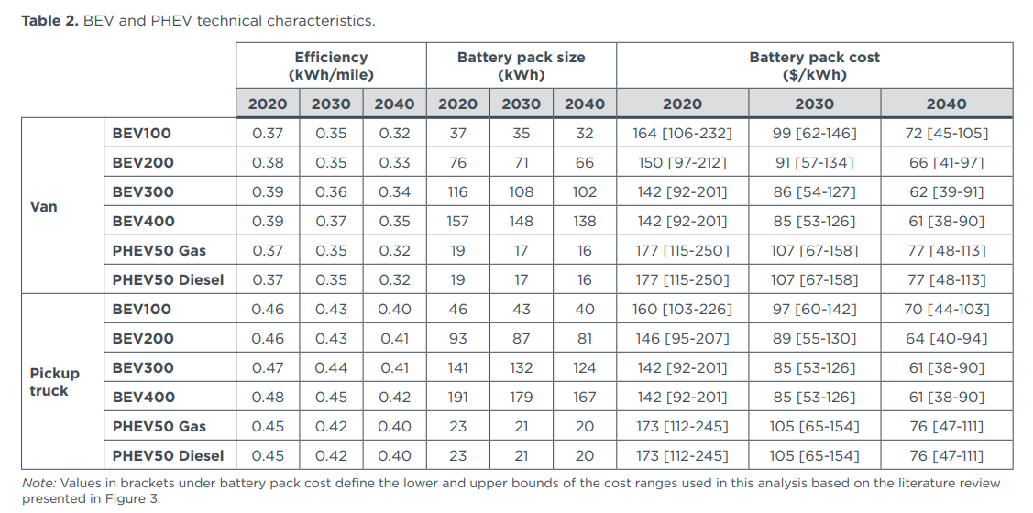

Californie EPS output (25 April 2022)
Time (Time) | 2020 | 2021 | 2022 | 2023 | 2024 | 2025 | 2026 | 2027 | 2028 | 2029 | 2030 | 2031 | 2032 | 2033 | 2034 | 2035 | 2036 | 2037 | 2038 | 2039 | 2040 | 2041 | 2042 | 2043 | 2044 | 2045 | 2046 | 2047 | 2048 | 2049 | 2050
This Year Battery Cost as Fraction of First Year Battery Cost : MostRecentRun | 1 | 0.812471 | 0.690574 | 0.602966 | 0.5343 | 0.483475 | 0.44039 | 0.402703 | 0.370304 | 0.34204 | 0.317097 | 0.295003 | 0.275649 | 0.258916 | 0.244364 | 0.231644 | 0.220274 | 0.210306 | 0.201484 | 0.193567 | 0.186379 | 0.179972 | 0.174208 | 0.168995 | 0.164258 | 0.159933 | 0.155976 | 0.152332 | 0.148962 | 0.145835 | 0.142924
Imputed battery cost | $16,243.79
Saving over start year |  | $3,046.18 | $5,026.25 | $6,449.34 | $7,564.73 | $8,390.32 | $9,090.19 | $9,702.37 | $10,228.65 | $10,687.76 | $11,092.93 | $11,451.82 | $11,766.20 | $12,038.01 | $12,274.39 | $12,481.01 | $12,665.70 | $12,827.62 | $12,970.92 | $13,099.53 | $13,216.29 | $13,320.36 | $13,413.99 | $13,498.67 | $13,575.61 | $13,645.87 | $13,710.15 | $13,769.34 | $13,824.08 | $13,874.87 | $13,922.16

HDV psg
 | 2020 | 2021 | 2022 | 2023 | 2024 | 2025 | 2026 | 2027 | 2028 | 2029 | 2030 | 2031 | 2032 | 2033 | 2034 | 2035 | 2036 | 2037 | 2038 | 2039 | 2040 | 2041 | 2042 | 2043 | 2044 | 2045 | 2046 | 2047 | 2048 | 2049 | 2050
battery electric vehicle | $509,950 | $474,109 | $450,812 | $434,068 | $420,944 | $411,230 | $402,996 | $395,793 | $389,600 | $384,199 | $379,431 | $375,209 | $371,510 | $368,312 | $365,530 | $363,099 | $360,926 | $359,021 | $357,335 | $355,822 | $354,448 | $353,223 | $352,122 | $351,126 | $350,220 | $349,394 | $348,637 | $347,941 | $347,297 | $346,699 | $346,143
natural gas vehicle | $393,020 | $393,020 | $393,020 | $393,020 | $393,020 | $393,020 | $393,020 | $393,020 | $393,020 | $393,020 | $393,020 | $393,020 | $393,020 | $393,020 | $393,020 | $393,020 | $393,020 | $393,020 | $393,020 | $393,020 | $393,020 | $393,020 | $393,020 | $393,020 | $393,020 | $393,020 | $393,020 | $393,020 | $393,020 | $393,020 | $393,020
gasoline vehicle | $353,718 | $353,718 | $353,718 | $353,718 | $353,718 | $353,718 | $353,718 | $353,718 | $353,718 | $353,718 | $353,718 | $353,718 | $353,718 | $353,718 | $353,718 | $353,718 | $353,718 | $353,718 | $353,718 | $353,718 | $353,718 | $353,718 | $353,718 | $353,718 | $353,718 | $353,718 | $353,718 | $353,718 | $353,718 | $353,718 | $353,718
diesel vehicle | $393,020 | $393,020 | $393,020 | $393,020 | $393,020 | $393,020 | $393,020 | $393,020 | $393,020 | $393,020 | $393,020 | $393,020 | $393,020 | $393,020 | $393,020 | $393,020 | $393,020 | $393,020 | $393,020 | $393,020 | $393,020 | $393,020 | $393,020 | $393,020 | $393,020 | $393,020 | $393,020 | $393,020 | $393,020 | $393,020 | $393,020
plugin hybrid vehicle | $999,999 | $999,999 | $999,999 | $999,999 | $999,999 | $999,999 | $999,999 | $999,999 | $999,999 | $999,999 | $999,999 | $999,999 | $999,999 | $999,999 | $999,999 | $999,999 | $999,999 | $999,999 | $999,999 | $999,999 | $999,999 | $999,999 | $999,999 | $999,999 | $999,999 | $999,999 | $999,999 | $999,999 | $999,999 | $999,999 | $999,999
LPG vehicle | $999,999 | $999,999 | $999,999 | $999,999 | $999,999 | $999,999 | $999,999 | $999,999 | $999,999 | $999,999 | $999,999 | $999,999 | $999,999 | $999,999 | $999,999 | $999,999 | $999,999 | $999,999 | $999,999 | $999,999 | $999,999 | $999,999 | $999,999 | $999,999 | $999,999 | $999,999 | $999,999 | $999,999 | $999,999 | $999,999 | $999,999
hydrogen vehicle | $655,650 | $588,537 | $547,918 | $519,575 | $497,855 | $481,568 | $467,949 | $456,203 | $446,128 | $437,352 | $429,611 | $422,948 | $416,512 | $410,680 | $405,349 | $400,438 | $395,840 | $391,561 | $387,542 | $383,731 | $380,087 | $376,619 | $373,297 | $370,099 | $367,008 | $364,011 | $361,096 | $358,252 | $355,471 | $352,744 | $350,067

Vehicle costs and specs from NREL document in References
https://afdc.energy.gov/files/u/publication/financial_analysis_be_transit_buses.pdf

Cost of battery (current): The cost of batteries was based on the 2015 U.S. Department of Energy estimate of $268/kWh (Howell et al. 2016).

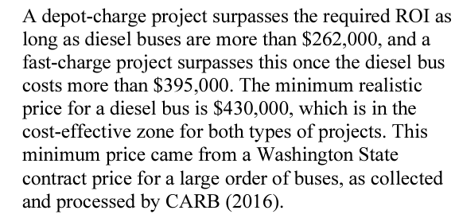
 | 2020 cost in 2018 $s | 2020 cost in 2012 $s
Battery cost | 94068 | 85978.152
Plus 36% profit margin | 127932.48 | 116930.28672

Diesel bus | 430000 | 393020

BEV price estimate | 557932.48 | 509950.28672
Battery share | 23%

